Correlation
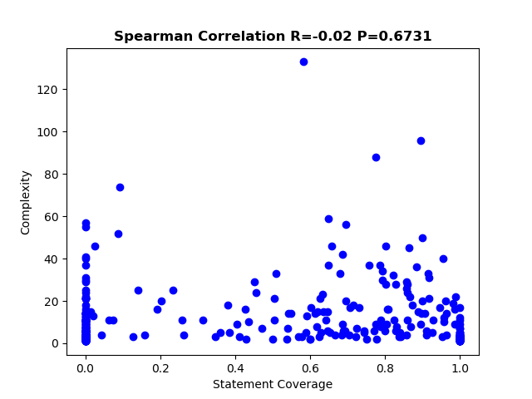
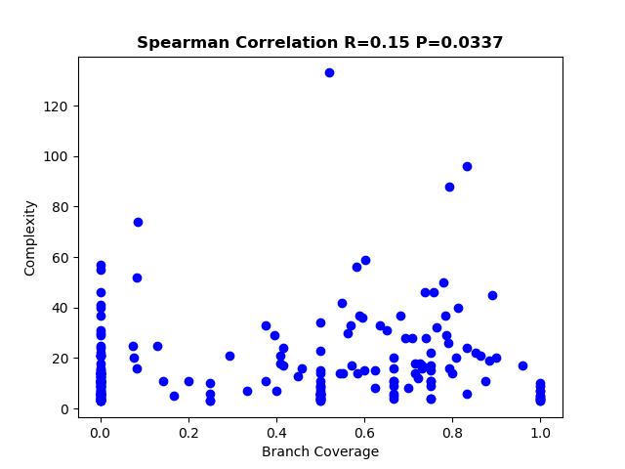
Total Statement Coverage | 0.496215329
Total Branch Coverage | 0.439482961

